Introduction
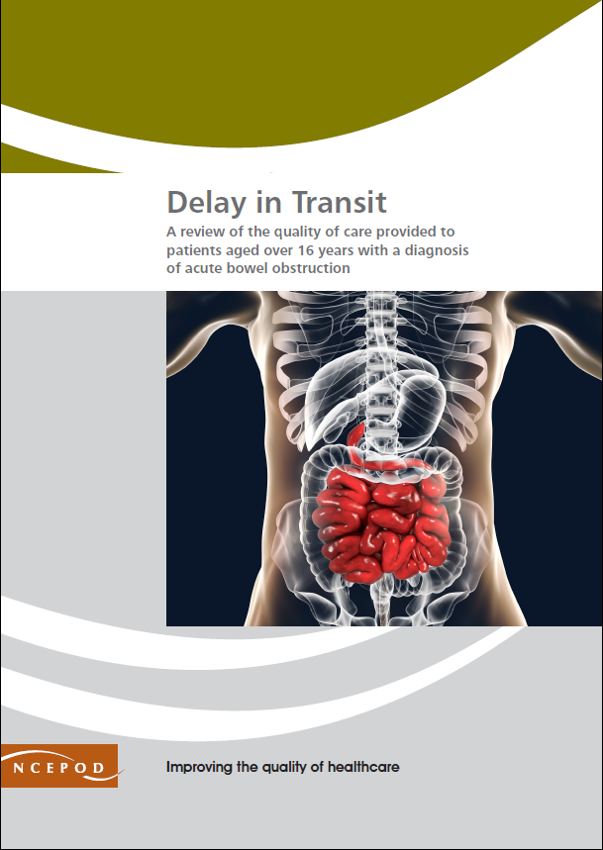

Acute Bowel Obstruction
Audit Toolkit
https://www.ncepod.org.uk/2020abo.html
Thank you for downloading the toolkit for 'Delay in Transit'. We hope you find this useful and if you have any feedback please contact us at info@ncepod.org.uk Please could you advise your local audit department if you plan to undertake this audit. It is important that they are made aware of it for the benefit of demonstrating Trust/Health Board activity and also so that they are in a position to support you and endorse the activity for your benefit.
info@ncepod.org.uk

Please complete as many questions which are applicable to the care of the patient. This NCEPOD study focused on the quality of care provided to patients aged over 16 years with a diagnosis of acute bowel obstruction.

For information on the recommendation to which each question assesses please click on the button

This toolkit can be used in conjunction with the Recommendation Checklist. This can be found by clicking on the adjacent report image or at:
https://www.ncepod.org.uk/2020abo.html

Summary
Extent to which each recommendation has been met (%)
 | Recommendation - Sub criteria question number (reference only)
number in report | 1 | 2 | 3 | 4 | 5 | 7 | 6 | 10 | 8 | RAG system (NCEPOD recommends these are set at the following limits, however these can be adapted by your Trust where appropriate by amending the thresholds as required) | %
 | 4a | 5 | 7 | 8 | 12a | 13 | 18 | 23a | 24a
 | 4b | 6 |  | 9 | 12b | 14 | 19 | 23b | 24b
 | 4c |  |  | 10 | 12c | 15 | 20 | 23c
 |  |  |  | 11 |  | 16 | 21
 |  |  |  |  |  | 17 | 22 |  |  | Green | 100
 |  |  |  |  |  |  |  |  |  | Amber | 50-99
 |  |  |  |  |  |  |  |  |  | Red | 0-49

 | Recommendation - Sub criteria questions (score)
number in report | 1 | 2 | 3 | 4 | 5 | 7 | 6 | 10 | 8
corresponding number in chart | 1 | 2 | 3 | 4 | 5 | 6 | 7 | 8 | 9
 | No data | No data | No data | No data | No data | No data | No data | No data | No data
 | No data | No data |  | No data | No data | No data | No data | No data | N/A
 | N/A |  |  | No data | No data | No data | No data | No data
 |  |  |  | No data |  | No data | No data
 |  |  |  |  |  | No data | No data

 | Average % of recommendation
 | No data | No data | No data | No data | No data | No data | No data | No data | No data

